Bug Report
ID | Title | Steps | Expected Behavior | Actual Behavior | Screenshots
1 | Redundant search box and 'Created By' option | 1) Open the Application 2) Go back 3) Navigate to the 'New Retailer List' 4) Observe the search box and a "Created By" dropbox side by side | The system should have a single search box to ignore the redundancy or could be clearly differentiate between the general search and the "Created By" filter | Search box and "Created By" option is placed side by side which is possible to create confusion among people | 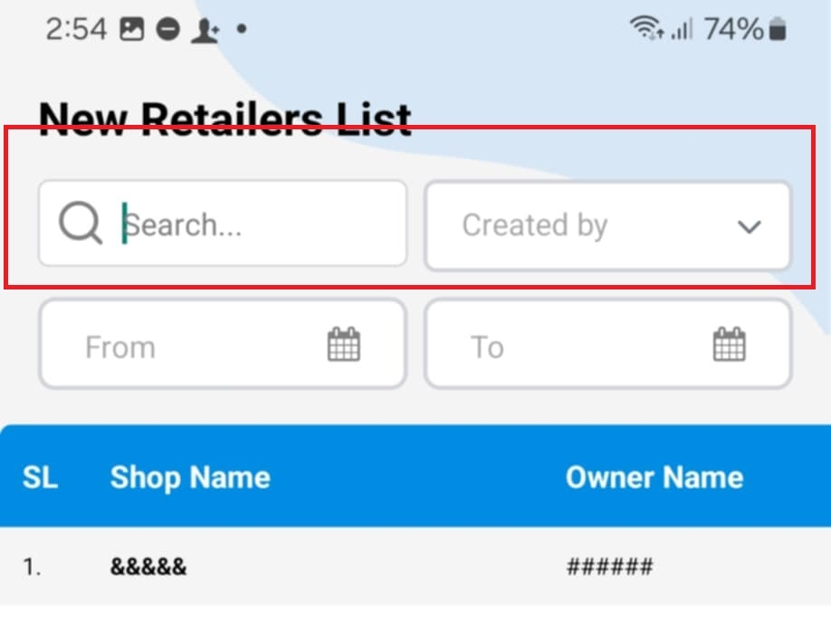
2 | Floating "+" create icon overlaps with the data | 1) Open the Application 2) Go back 3) Navigate to the 'New Retailer List' 4) Observe the floating '+' create button | Floating '+' create button should be positioned where it does not overlap the data | Floating '+' create button overlaps data | 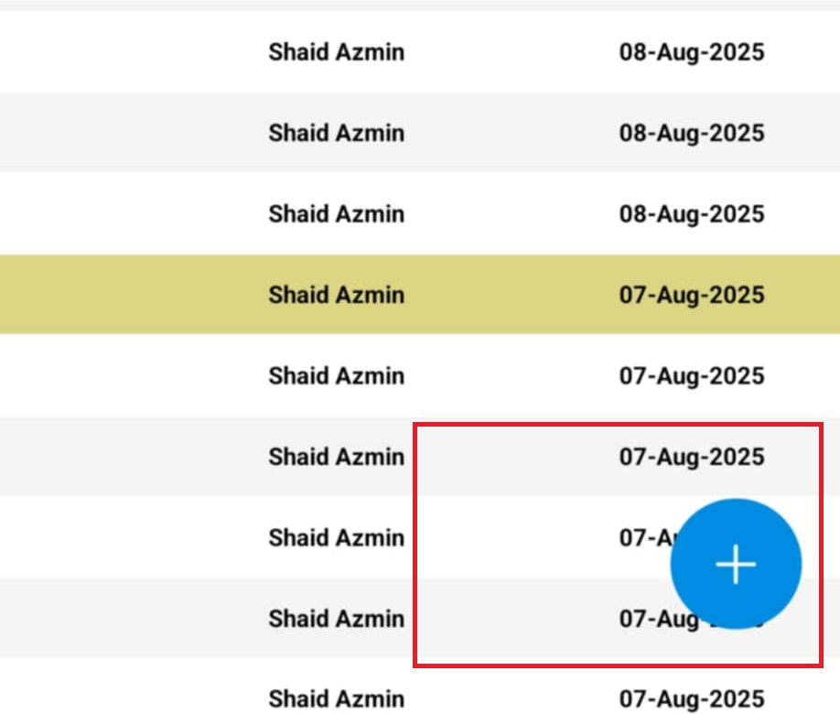
3 | Same shop name appear multiple times | 1) Open the Application 2) Go back 3) Navigate to the New Retailer List 4) Here shop names are listed 5) There are duplicate shop names and other info is listed | Since a row of data is same so it should show one time instead of showing multiple times | A row of same data is showing multiple times | 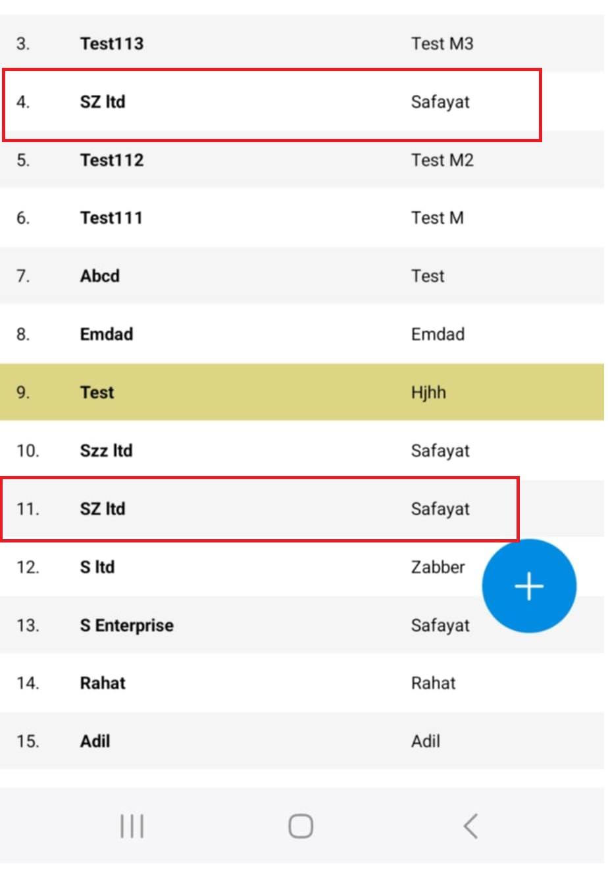
4 | No native vertical scroll indicator is present in the list | 1) Open the Application 2) Go back 3) Navigate to the New Retailer List 4) Scroll vertically and check for scroll indicator | While scrolling data it should show a grey colored native vertical scroll since it's difficult to track how much data has been visited and how much left | Vertical scrolling do not show show any native vertical scroll indicator, makes difficult to track the scrolling position
5 | List content does not wrap within the width of the window | 1) Open the Application 2) Go back 3) Navigate to the New Retailer List 4) Scroll horizontally to see rest of the info | The list should fit within the width of the mobile window or text should be wrap to avoid horizontal scrolling to view | The list extend beyond the window width that requires horizontal scrolling to view rest of the content
6 | Data highlight reason do not provide clarity | 1) Open the Application 2) Go back 3) Navigate to the New Retailer List 4) Here shop names are listed with some of the data highlighted | If any data is highlighted it should be indicated the reason | Some rows of data highlighted without any indication | 